q1
Row Labels | Sum of Popularity
Angel | 150
Another One Bites The Dust | 148
Heaven | 142
Is This Love | 156
Lady | 152
Magic | 160
Physical | 156
Real Love | 158
Sara | 154
Uptown Girl | 170
Waiting For A Girl Like You | 142
Grand Total | 1688

q2
Year | 1989

Row Labels | Count of Track
Bobby Brown | 5
Bon Jovi | 3
ExposÃ© | 2
Fine Young Cannibals | 2
Guns Nâ€™ Roses | 3
Karyn White | 2
Madonna | 3
Milli Vanilli | 3
New Kids on the Block | 4
Paula Abdul | 3
Richard Marx | 2
Roxette | 2
The Bangles | 2
Tone LÅc | 2
Grand Total | 38

q3
Mode | 0
Year | 1980

Row Labels | Max of Danceability
All Over The World | 0.66
Another One Bites The Dust | 0.932
Babe | 0.7
Cruisinâ€™ | 0.365
Desire | 0.587
Fire Lake | 0.541
Heâ€™s So Shy | 0.871
How Do I Make You | 0.805
I Canâ€™t Tell You Why | 0.707
I Wanna Be Your Lover | 0.812
Iâ€™m Coming Out (#5*) | 0.728
Into The Night | 0.435
Letâ€™s Get Serious | 0.759
Longer | 0.795
Look What Youâ€™ve Done To Me | 0.735
Master Blaster (JAMMINâ€™) | 0.874
No More Tears (ENOUGH Is Enough) | 0.502
Please Donâ€™t Go | 0.683
Ride Like The Wind | 0.669
Send One Your Love | 0.624
Sexy Eyes | 0.743
Too Hot | 0.717
We Donâ€™t Talk Anymore | 0.728
Woman In Love | 0.469
Working My Way Back To You/Forgive Me, Girl | 0.837
Youâ€™re The Only Woman (YOU & I) | 0.91
Grand Total | 0.932

q4
Row Labels | Sum of Instrumentalness | Sum of Time_Signature
Angel Eyes | 0.974 | 4
Funkytown | 1.666 | 8
Letâ€™s Go All The Way | 0.964 | 3
Somewhere Out There | 0.939 | 4
Thatâ€™s What Friends Are For | 0.953 | 4
Grand Total | 5.496 | 23

q5
Key | 11

Row Labels | Sum of Tempo | Sum of Valence
Bananarama | 123.372 | 0.92
Ben E. King | 134.039 | 0.564
Blondie | 96.954 | 0.964
Bon Jovi | 123.936 | 0.311
Grand Total | 478.301 | 2.759

q6
Year | 1987
Mode | 1

Row Labels | Count of Artist
ABC | 1
Aretha Franklin and George Michael | 1
Atlantic Starr | 1
Beastie Boys | 1
Ben E. King | 1
Bill Medley and Jennifer Warnes | 1
Billy Vera and the Beaters | 1
Bob Seger | 1
Bon Jovi | 2
Bruce Hornsby and the Range | 2
Bruce Springsteen | 2
Chicago | 1
Chris de Burgh | 1
Crowded House | 1
Dan Hill featuring Vonda Shepard | 1
Debbie Gibson | 1
Europe | 1
ExposÃ© | 2
Fat Boys & the Beach Boys | 1
Fleetwood Mac | 1
Genesis | 3
George Michael | 1
Georgia Satellites | 1
Glass Tiger | 1
Glenn Medeiros | 1
Gregory Abbott | 1
Heart | 2
Huey Lewis and the News | 2
Janet Jackson | 2
John Cougar Mellencamp | 1
Kenny G | 1
Kenny Loggins | 1
Linda Ronstadt and James Ingram | 1
Lionel Richie | 1
Lisa Lisa and Cult Jam | 2
Los Lobos | 1
Lou Gramm | 1
Madonna | 1
Michael Jackson | 1
Michael Jackson with Siedah Garrett | 1
Prince | 2
Pseudo Echo | 1
Robbie Nevil | 1
Starship | 1
Tâ€™Pau | 1
The Bangles | 1
The System | 1
U2 | 2
Wang Chung | 2
Whitesnake | 1
Whitney Houston | 2
Grand Total | 65

q7
Duration | 4:00:00

Row Labels | Min of Popularity
I Drove All Night | 63
I Knew You Were Waiting (FOR Me) | 62
Material Girl | 72
Oh Sheila | 53
Sheâ€™s A Beauty | 54
Tryinâ€™ To Live My Life Without You (LIVE) | 42
Grand Total | 42

q8
Mode | 0

Row Labels | Sum of Instrumentalness
Another One Bites The Dust | 0.658
Dare Me | 0.857
Donâ€™t Lose My Number | 0.823
Dreamtime | 0.875
If It Isnâ€™t Love | 0.493
Letâ€™s Get Serious | 0.76
Lovesong | 0.898
Rapture | 0.846
Rhythm Of The Night | 0.666
Youâ€™re The Only Woman (YOU & I) | 0.931
Grand Total | 7.807

dashboard

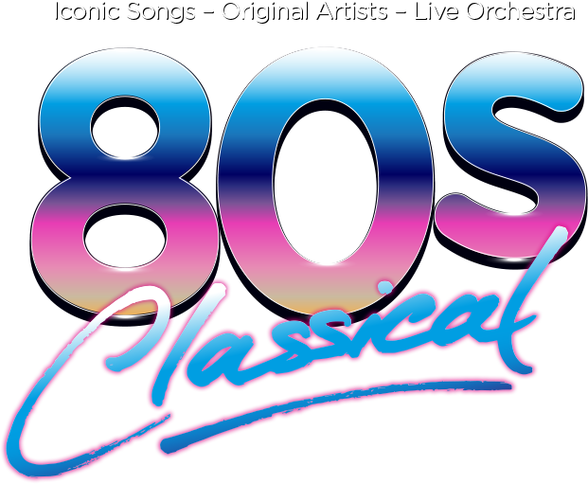

 | Total
Bobby Brown | 5
Bon Jovi | 3
ExposÃ© | 2
Fine Young Cannibals | 2
Guns Nâ€™ Roses | 3
Karyn White | 2
Madonna | 3
Milli Vanilli | 3
New Kids on the Block | 4
Paula Abdul | 3
Richard Marx | 2
Roxette | 2
The Bangles | 2
Tone LÅc | 2
 | Total
Angel | 150
Another One Bites The Dust | 148
Heaven | 142
Is This Love | 156
Lady | 152
Magic | 160
Physical | 156
Real Love | 158
Sara | 154
Uptown Girl | 170
Waiting For A Girl Like You | 142
 | Total
All Over The World | 0.66
Another One Bites The Dust | 0.932
Babe | 0.7
Cruisinâ€™ | 0.365
Desire | 0.587
Fire Lake | 0.541
Heâ€™s So Shy | 0.871
How Do I Make You | 0.805
I Canâ€™t Tell You Why | 0.707
I Wanna Be Your Lover | 0.812
Iâ€™m Coming Out (#5*) | 0.728
Into The Night | 0.435
Letâ€™s Get Serious | 0.759
Longer | 0.795
Look What Youâ€™ve Done To Me | 0.735
Master Blaster (JAMMINâ€™) | 0.874
No More Tears (ENOUGH Is Enough) | 0.502
Please Donâ€™t Go | 0.683
Ride Like The Wind | 0.669
Send One Your Love | 0.624
Sexy Eyes | 0.743
Too Hot | 0.717
We Donâ€™t Talk Anymore | 0.728
Woman In Love | 0.469
Working My Way Back To You/Forgive Me, Girl | 0.837
Youâ€™re The Only Woman (YOU & I) | 0.91
 | Sum of Instrumentalness | Sum of Time_Signature
Angel Eyes | 0.974 | 4
Funkytown | 1.666 | 8
Letâ€™s Go All The Way | 0.964 | 3
Somewhere Out There | 0.939 | 4
Thatâ€™s What Friends Are For | 0.953 | 4

 | Total
I Drove All Night | 63
I Knew You Were Waiting (FOR Me) | 62
Material Girl | 72
Oh Sheila | 53
Sheâ€™s A Beauty | 54
Tryinâ€™ To Live My Life Without You (LIVE) | 42

 | Sum of Tempo | Sum of Valence
Bananarama | 123.372 | 0.92
Ben E. King | 134.039 | 0.564
Blondie | 96.954 | 0.964
Bon Jovi | 123.936 | 0.311
 | Total
Another One Bites The Dust | 0.658
Dare Me | 0.857
Donâ€™t Lose My Number | 0.823
Dreamtime | 0.875
If It Isnâ€™t Love | 0.493
Letâ€™s Get Serious | 0.76
Lovesong | 0.898
Rapture | 0.846
Rhythm Of The Night | 0.666
Youâ€™re The Only Woman (YOU & I) | 0.931
 | Total
ABC | 1
Aretha Franklin and George Michael | 1
Atlantic Starr | 1
Beastie Boys | 1
Ben E. King | 1
Bill Medley and Jennifer Warnes | 1
Billy Vera and the Beaters | 1
Bob Seger | 1
Bon Jovi | 2
Bruce Hornsby and the Range | 2
Bruce Springsteen | 2
Chicago | 1
Chris de Burgh | 1
Crowded House | 1
Dan Hill featuring Vonda Shepard | 1
Debbie Gibson | 1
Europe | 1
ExposÃ© | 2
Fat Boys & the Beach Boys | 1
Fleetwood Mac | 1
Genesis | 3
George Michael | 1
Georgia Satellites | 1
Glass Tiger | 1
Glenn Medeiros | 1
Gregory Abbott | 1
Heart | 2
Huey Lewis and the News | 2
Janet Jackson | 2
John Cougar Mellencamp | 1
Kenny G | 1
Kenny Loggins | 1
Linda Ronstadt and James Ingram | 1
Lionel Richie | 1
Lisa Lisa and Cult Jam | 2
Los Lobos | 1
Lou Gramm | 1
Madonna | 1
Michael Jackson | 1
Michael Jackson with Siedah Garrett | 1
Prince | 2
Pseudo Echo | 1
Robbie Nevil | 1
Starship | 1
Tâ€™Pau | 1
The Bangles | 1
The System | 1
U2 | 2
Wang Chung | 2
Whitesnake | 1
...

